Sign In
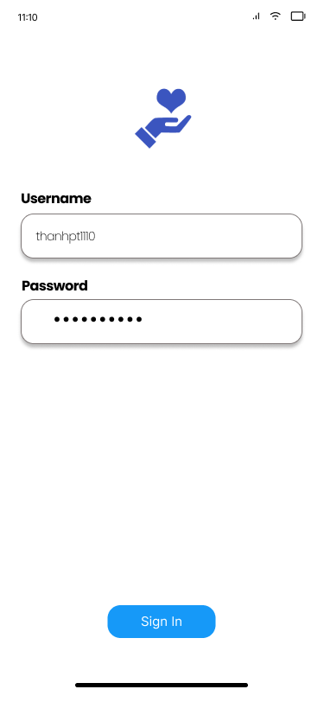
Sign In View
Component | Data Type | Editable | Mandatory | Default Value | Description
labelUsername | TextView | No | No |  | Label of username
txtBoxUsername | InputText | Yes | Yes |  | Text box to enter username
labelPassword | TextView | No | No |  | Label of password
txtBoxPassword | InputText | Yes | Yes |  | Text box to enter password
btnSignIn | Button | No | Yes |  | Click this button to sign in into the system using username and password

Sign Up
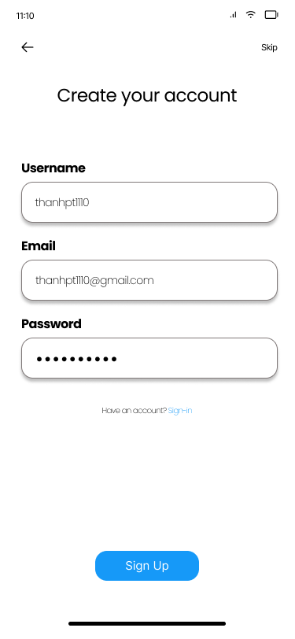
Sign In View
Component | Data Type | Editable | Mandatory | Default Value | Description
txtBoxUsername | InputText | Yes | Yes |  | Text box to enter username
txtBoxEmail | InputText | Yes | Yes |  | Text box to enter email
txtBoxPassword | InputText | Yes | Yes |  | Text box to enter password
btnSignIn | Button | No | Yes |  | Click this button to sign in into the system using username and password

Doctor Management
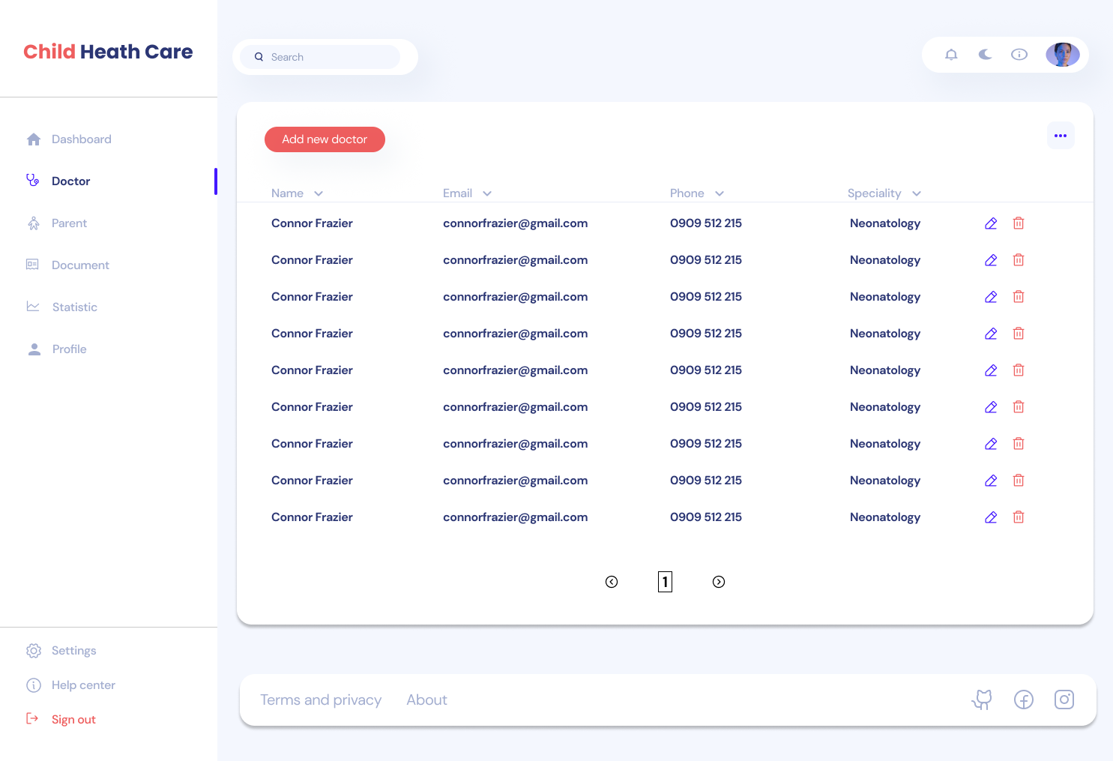
Doctor Management View
Component | Data Type | Editable | Mandatory | Default Value | Description
searchBox | TextBox | Yes | No |  | Text box to search doctor information
datagrid | DataGridView | No | Yes |  | Datagrid to display list of doctor information
btnAddNewDoctor | Button | No | Yes |  | Click this button to create new doctor information
iconEdit | Button | No | Yes |  | Click this button to update doctor information
iconDelete | Button | No | Yes |  | Click this button to delete doctor information

Doctor Information
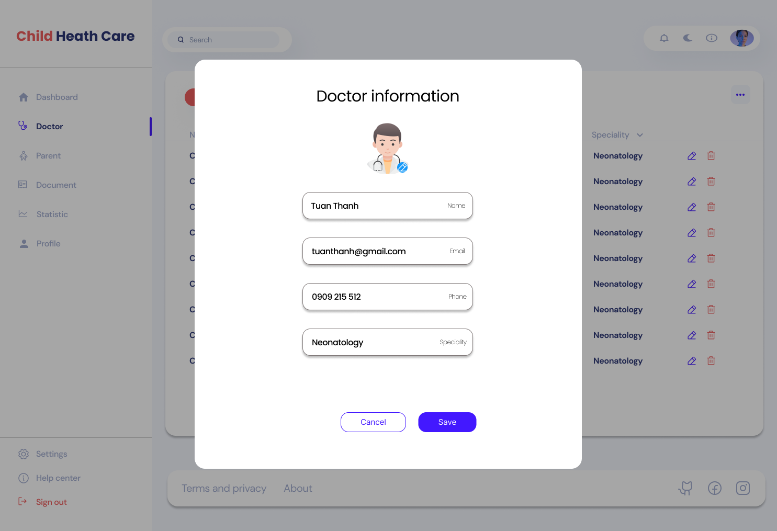
Doctor Information View
Component | Data Type | Editable | Mandatory | Default Value | Description
txtBoxName | TextBox | Yes | Yes |  | Text box to enter doctor name. It must be letter only.
txtBoxEmail | TextBox | Yes | Yes |  | Text box to enter doctor email.
txtBoxPhone | TextBox | Yes | Yes |  | Text box to enter doctor phone number. It must be number only.
txtBoxSpeciality | TextBox | Yes | Yes |  | Text box to enter doctor speciality.
btnSave | Button | No | Yes |  | Click this button to save doctor information.
btnCancel | Button | No | Yes |  | Click this button to cancel saving doctor information and close this view.

Parent Management
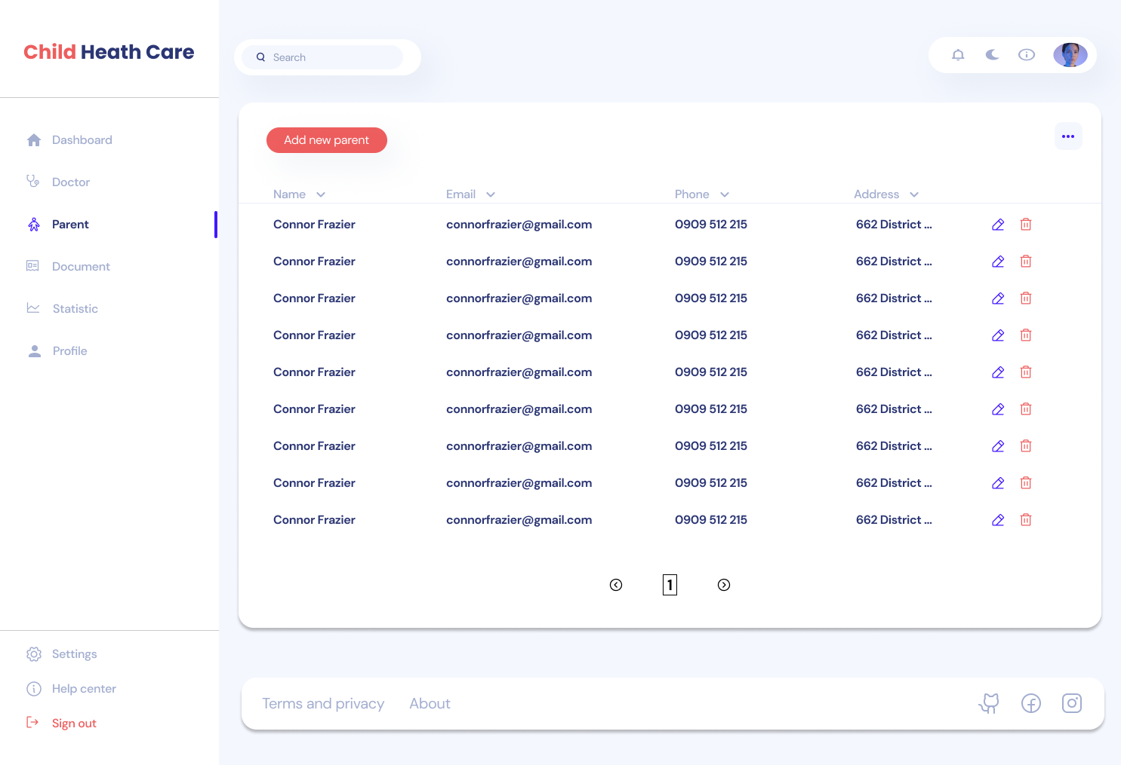
Parent Management View
Component | Data Type | Editable | Mandatory | Default Value | Description
searchBox | TextBox | Yes | No |  | Text box to search parent information
datagrid | DataGridView | No | Yes |  | Datagrid to display list of parent information
btnAddNewParent | Button | No | Yes |  | Click this button to create new parent information
iconEdit | Button | No | Yes |  | Click this button to update parent information
iconDelete | Button | No | Yes |  | Click this button to delete parent information

Parent Information
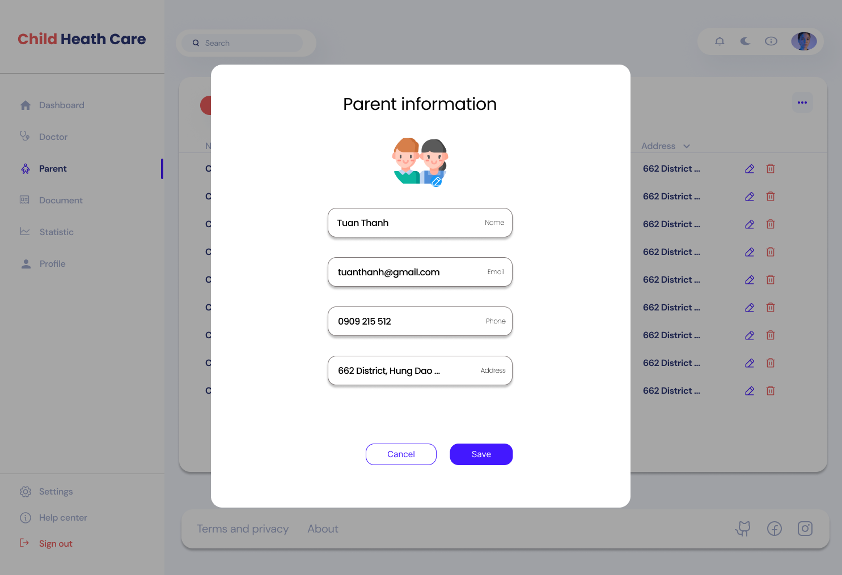
Parent Information View
Component | Data Type | Editable | Mandatory | Default Value | Description
txtBoxName | TextBox | Yes | Yes |  | Text box to enter parent name. It must be letter only.
txtBoxEmail | TextBox | Yes | Yes |  | Text box to enter parent email.
txtBoxPhone | TextBox | Yes | Yes |  | Text box to enter parent phone number. It must be number only.
txtBoxAddress | TextBox | Yes | Yes |  | Text box to enter parent address.
btnSave | Button | No | Yes |  | Click this button to save parent information.
btnCancel | Button | No | Yes |  | Click this button to cancel saving parent information and close this view.

Document Management
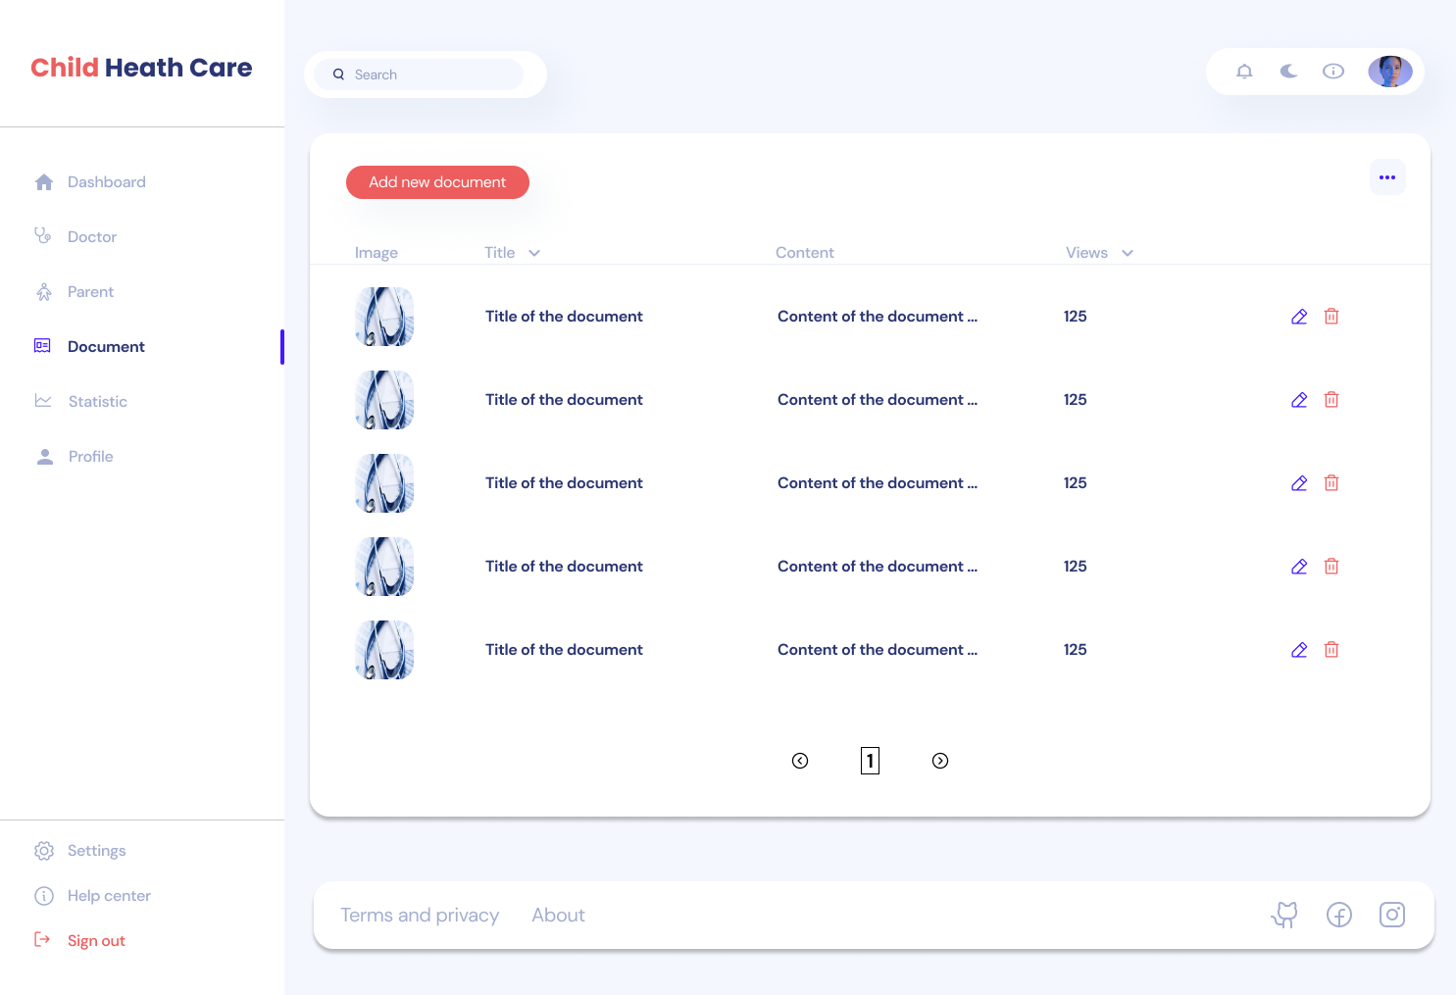
Document Management View
Component | Data Type | Editable | Mandatory | Default Value | Description
searchBox | TextBox | Yes | No |  | Text box to search document information
datagrid | DataGridView | No | Yes |  | Datagrid to display list of document information
btnAddNewDoctor | Button | No | Yes |  | Click this button to create new document information
iconEdit | Button | No | Yes |  | Click this button to update document information
iconDelete | Button | No | Yes |  | Click this button to delete document information

Document Information
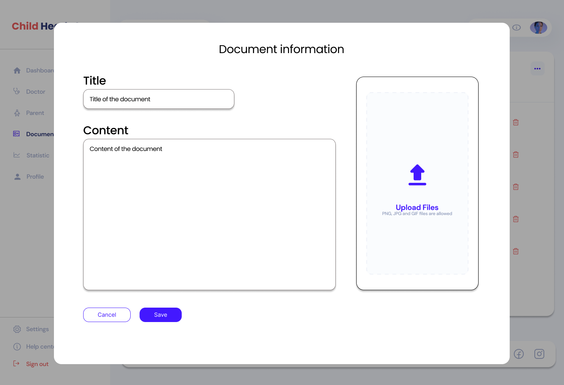
Document Information View
Component | Data Type | Editable | Mandatory | Default Value | Description
txtBoxTitle | TextBox | Yes | Yes |  | Text box to enter title of document.
richTxtBoxEmail | RichTextBox | Yes | Yes |  | Text box to enter content of document.
pictureBox | PictureBox | Yes | Yes |  | Picture box to upload image for this document.
btnSave | Button | No | Yes |  | Click this button to save document information.
btnCancel | Button | No | Yes |  | Click this button to cancel saving document information and close this view.

Prescription Management
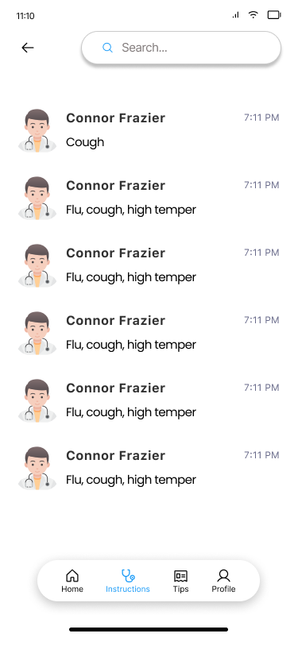
Prescription Management View
Component | Data Type | Editable | Mandatory | Default Value | Description
searchBox | InputText | Yes | No |  | Text box to search prescription.
listViewPrescription | ListView | No | Yes |  | List view to display list of prescriptions
iconBack | Button | No | Yes |  | Click this button to back to the previous screen.

Prescription Information
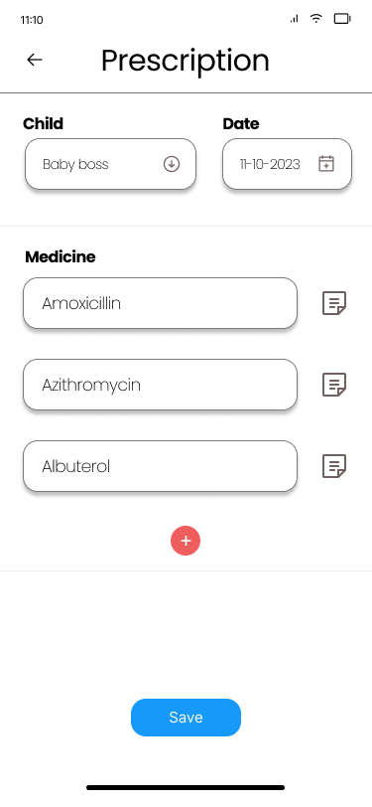
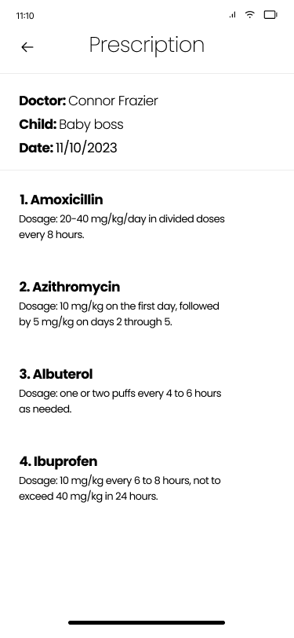
Prescription Information View
Component | Data Type | Editable | Mandatory | Default Value | Description
cbBoxChild | DropDownList | Yes | Yes | List of children in the database | Drop down list to select corresponding child. Items in list are queried in CHILD table.
dateTimePicker | DateTimePicker | Yes | Yes | DateTime.Now() | Date time picker to select suitable date for prescription
inputTxtMedicine | InputText | Yes | Yes |  | Input text to enter medicine name.
iconNote | Button | Yes | Yes |  | Click this button to add dosage or some notes of the medicine.
iconAdd | Button | No | No |  | Click this button to add more medicine.
btnSave | Button | No | Yes |  | Click this button to save data of prescription.
iconBack | Button | No | Yes |  | Click this button to back to the previous screen.

ImmunizationScheduleInformation


Immunization Schedule Information View
Component | Data Type | Editable | Mandatory | Default Value | Description
cbBoxChild | DropDownList | Yes | Yes | List of children in the database | Drop down list to select corresponding child. Items in list are queried in CHILD table.
dateTimePicker | DateTimePicker | Yes | Yes | DateTime.Now() | Date time picker to select suitable date for schedule.
inputTxtVaccine | InputText | Yes | Yes |  | Input text to enter vaccine name.
iconNote | Button | Yes | Yes |  | Click this button to add dosage or some notes of the medicine.
iconAdd | Button | No | No |  | Click this button to add more vaccine.
btnSave | Button | No | Yes |  | Click this button to save data of schedule.
iconBack | Button | No | Yes |  | Click this button to back to the previous screen.

Chat
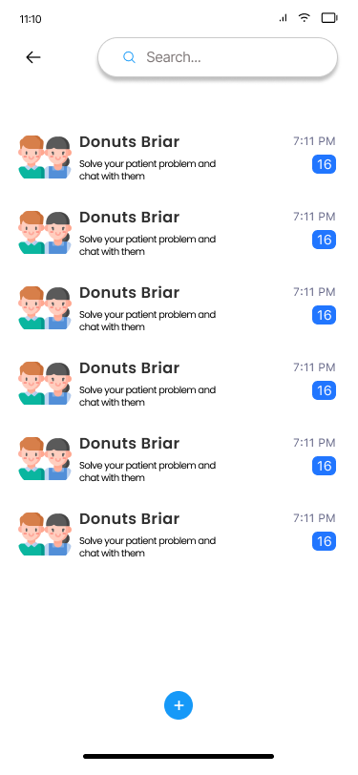
Chat View
Component | Data Type | Editable | Mandatory | Default Value | Description
searchBox | InputText | Yes | No |  | Text box to search chat.
listViewChat | ListView | No | Yes |  | List view to display list of chats.
iconBack | Button | No | Yes |  | Click this button to back to the previous screen.
iconAdd | Button | No | No |  | Click this button to back to create new chat.

Message
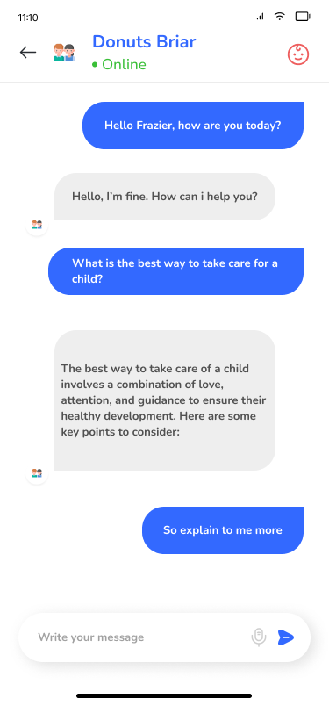
Message View
Component | Data Type | Editable | Mandatory | Default Value | Description
iconBack | Button | No | Yes |  | Click this button to back to the previous screen.
iconChild | Button | No | Yes |  | Click this button to back to view child information.
inputTxtMessage | InputText | Yes | No |  | Input text to write your message.
iconSend | Button | No | Yes |  | Click this button to back to send message that you write in inputTxtMessage.

Child Management
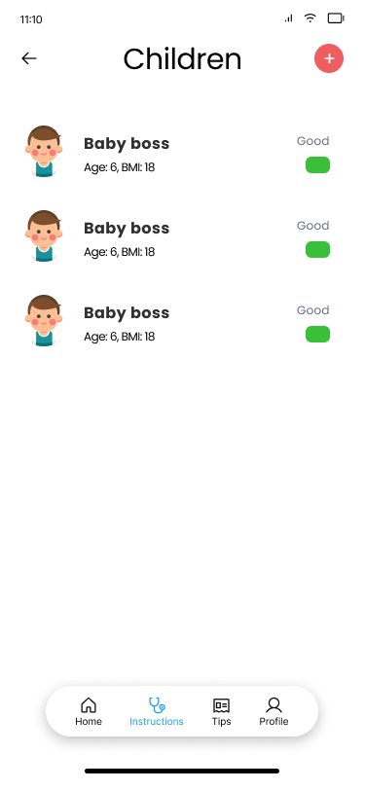
Child Management View
Component | Data Type | Editable | Mandatory | Default Value | Description
listViewChild | ListView | No | Yes |  | List view to display list of children.
iconBack | Button | No | Yes |  | Click this button to back to the previous screen.
iconAdd | Button | No | Yes |  | Click this button to back to create new child information.

Child Information
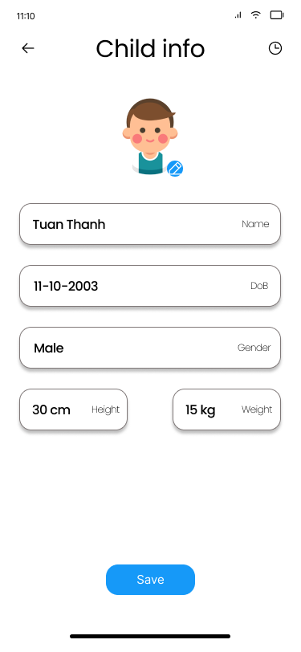
Child Information View
Component | Data Type | Editable | Mandatory | Default Value | Description
inputTxtName | InputText | Yes | Yes |  | Input text to enter child name. It must be letter only.
dateTimePickerDob | DateTimePicker | Yes | Yes | DateTime.Now() | Date time picker to pick child birthday.
inputTxtGender | InputText | Yes | Yes | Male | Input text to enter child gender. It must be letter only.
inputTxtHeight | InputText | Yes | Yes |  | Input text to enter child height. It must be number only.
inputTxtWeight | InputText | Yes | Yes |  | Input text to enter child weight. It must be number only.
btnSave | Button | No | Yes |  | Click this button to save child information.
iconBack | Button | No | Yes |  | Click this button to back to the previous screen.
iconHistory | Button | No | Yes |  | Click this button to back to view "Health Update History".

Tips
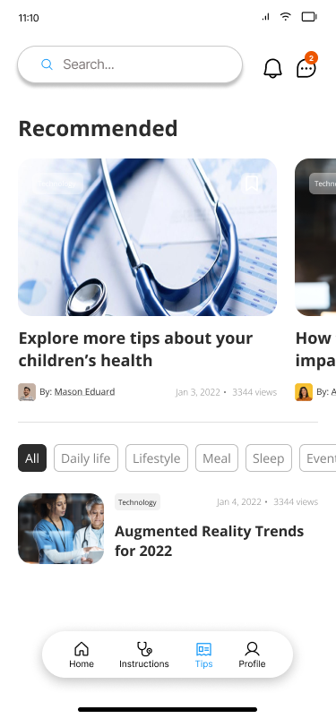
Tips View
Component | Data Type | Editable | Mandatory | Default Value | Description
searchBox | InputText | Yes | No |  | Text box to search tips.
listViewTip | ListView | No | Yes |  | List view to display list of tips.
iconNotification | Button | No | No |  | Click this button to back to view notifications.
iconChat | Button | No | No |  | Click this button to back to view Chat.

Tips Information
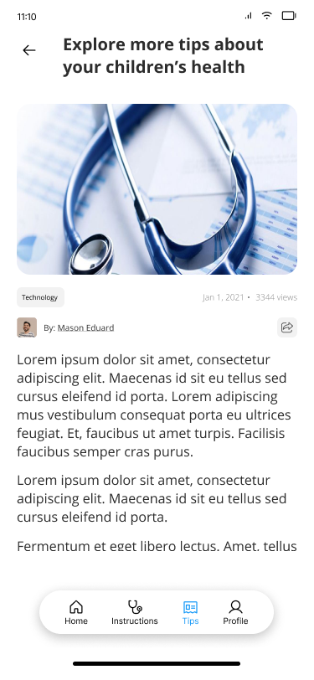
Tip Information View
Component | Data Type | Editable | Mandatory | Default Value | Description
iconBack | Button | No | No |  | Click this button to back to previous screen.

Monitor Health Status
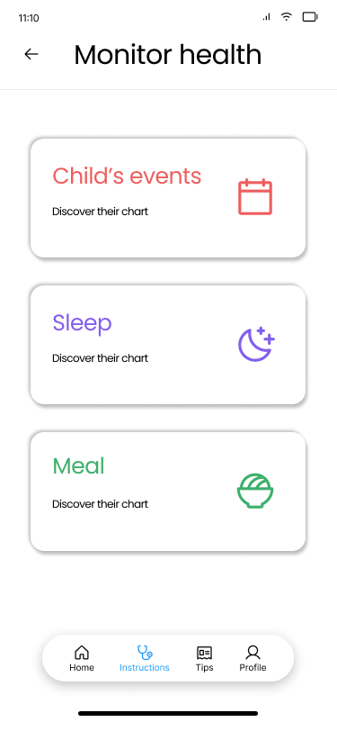
Monitor Health Status View
Component | Data Type | Editable | Mandatory | Default Value | Description
iconBack | Button | No | No |  | Click this button to back to previous screen.
btnChildEvent | Button | No | Yes |  | Click this button to monitor child events.
btnChildSleepTime | Button | No | Yes |  | Click this button to monitor child sleep times.
btnChildMealTime | Button | No | Yes |  | Click this button to monitor child meal times.

Event Information
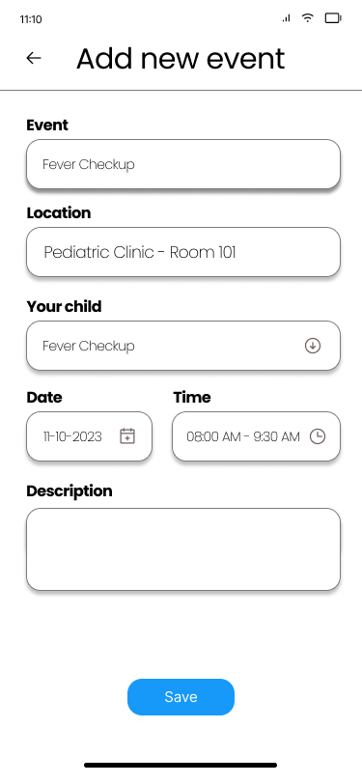
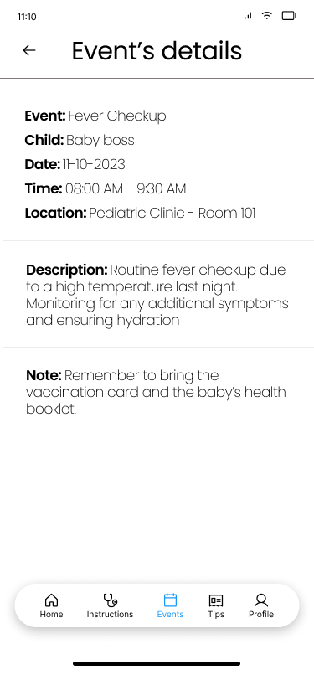
Event Information View
Component | Data Type | Editable | Mandatory | Default Value | Description
inputTxtName | InputText | Yes | Yes |  | Input text to enter event name.
inputTxtLocation | InputText | Yes | Yes |  | Input text to enter event location.
cbBoxChild | DropDownList | Yes | Yes | List of children in the database | Drop down list to select corresponding child. Items in list are queried in CHILD table.
dateTimePicker | DateTimePicker | Yes | Yes | DateTime.Now() | Date time picker to select date of the event.
inputTxtDescription | InputText | Yes | No |  | Input text to enter event description.
btnSave | Button | No | Yes |  | Click this button to save event information.
iconBack | Button | No | Yes |  | Click this button to back to the previous screen.

MealTime Information
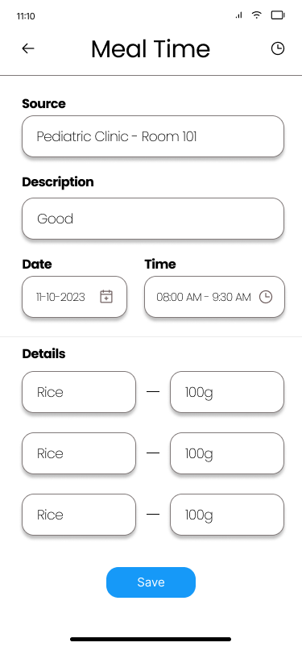
Meal Information View
Component | Data Type | Editable | Mandatory | Default Value | Description
inputTxtSource | InputText | Yes | Yes |  | Input text to enter event name. It must be letter only.
inputTxtDescription | InputText | Yes | No |  | Input text to enter meal description.
inputTxtFood | InputText | Yes | Yes |  | Input text to enter food in that meal.
inputTxtCalories | InputText | Yes | No |  | Input text to enter calories of that food. It must be number only.
dateTimePicker | DateTimePicker | Yes | Yes | DateTime.Now() | Date time picker to select date of the meal.
btnSave | Button | No | Yes |  | Click this button to save meal information.
iconBack | Button | No | Yes |  | Click this button to back to the previous screen.

Sleep Information
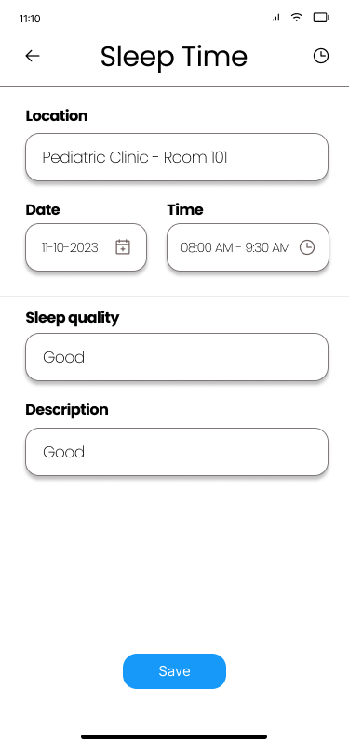
Sleep Information View
Component | Data Type | Editable | Mandatory | Default Value | Description
inputTxtLocation | InputText | Yes | Yes |  | Input text to enter location of that sleep.
inputTxtDescription | InputText | Yes | No |  | Input text to enter sleep description.
inputTxtSleepQuality | InputText | Yes | Yes |  | Input text to enter sleep quality.
dateTimePicker | DateTimePicker | Yes | Yes | DateTime.Now() | Date time picker to select date of the sleep.
btnSave | Button | No | Yes |  | Click this button to save sleep information.
iconBack | Button | No | Yes |  | Click this button to back to the previous screen.

Child Events Management
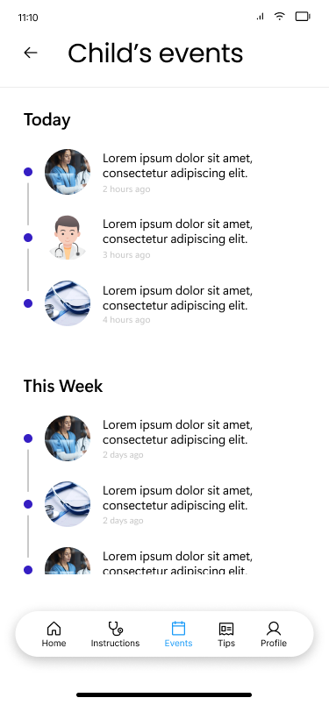
Child Events Management View
Component | Data Type | Editable | Mandatory | Default Value | Description
searchBox | InputText | Yes | No |  | Text box to search events.
listViewEvents | ListView | No | Yes |  | List view to display list of events.
iconBack | Button | No | Yes |  | Click this button to back to the previous screen.

Sleep Management
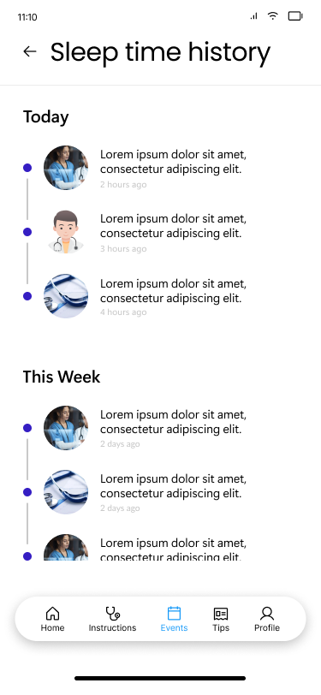
Sleep Management View
Component | Data Type | Editable | Mandatory | Default Value | Description
searchBox | InputText | Yes | No |  | Text box to search sleep.
listViewSleep | ListView | No | Yes |  | List view to display list of sleep information.
iconBack | Button | No | Yes |  | Click this button to back to the previous screen.

Meal Management
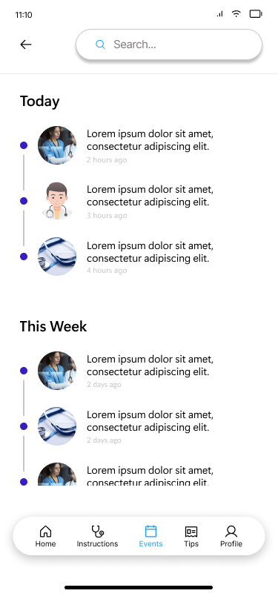
Meal Management View
Component | Data Type | Editable | Mandatory | Default Value | Description
searchBox | InputText | Yes | No |  | Text box to search meal.
listViewMeal | ListView | No | Yes |  | List view to display list of meals.
iconBack | Button | No | Yes |  | Click this button to back to the previous screen.

Doctor Instructions
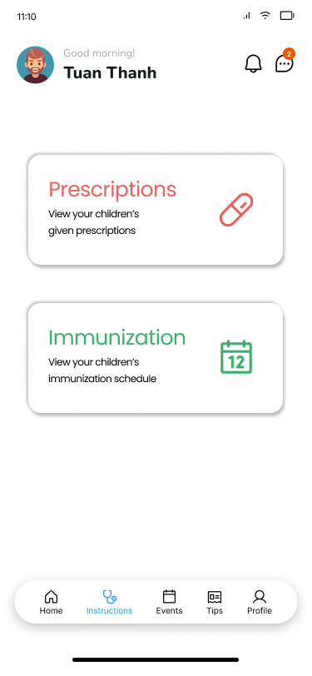
Doctor Instructions View
Component | Data Type | Editable | Mandatory | Default Value | Description
iconBack | Button | No | No |  | Click this button to back to previous screen.
btnPrescription | Button | No | Yes |  | Click this button to view list of "Prescription"
btnImmunization | Button | No | Yes |  | Click this button to view list of "Immunization Schedule"

Monitor Child Events
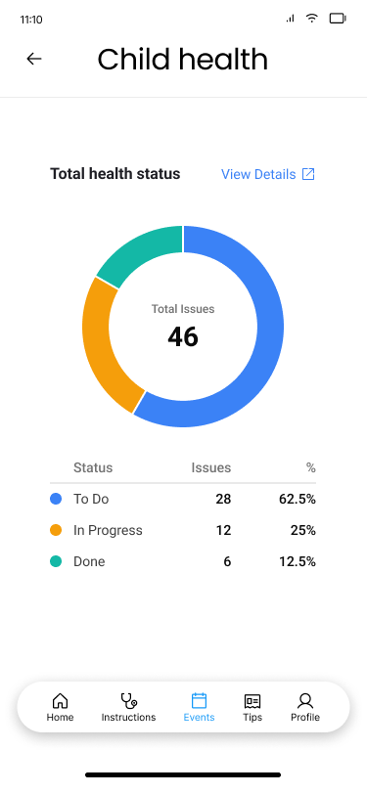
Monitor Child Events View
Component | Data Type | Editable | Mandatory | Default Value | Description
iconBack | Button | No | No |  | Click this button to back to previous screen.
pieChart | Chart | No | Yes |  | Chart display corresponding data

Monitor Meal Times
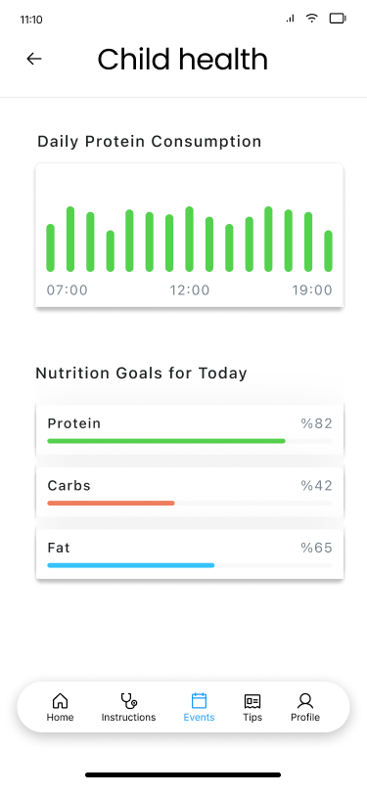
Monitor Meal Times View
Component | Data Type | Editable | Mandatory | Default Value | Description
iconBack | Button | No | No |  | Click this button to back to previous screen.
barChart | Chart | No | Yes |  | Chart display corresponding data

Monitor Sleep Times
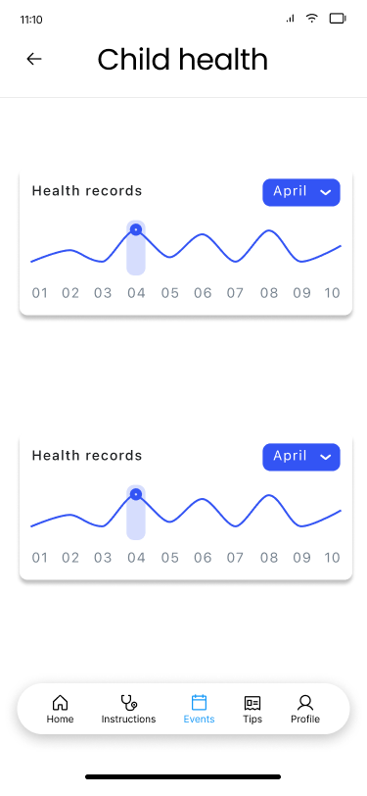
Monitor Sleep Times View
Component | Data Type | Editable | Mandatory | Default Value | Description
iconBack | Button | No | No |  | Click this button to back to previous screen.
lineChart | Chart | No | Yes |  | Chart display corresponding data
dateTimePicker | DateTimePicker | No | Yes |  | Date time picker to select specific timestamp.

User Report
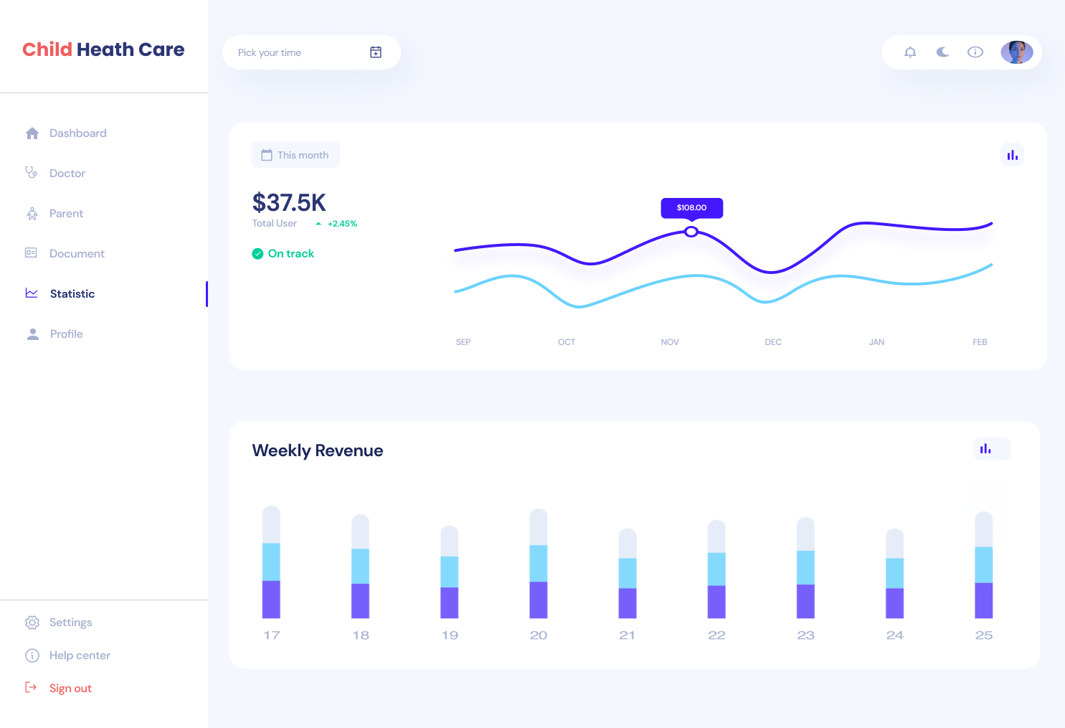
User Report View
Component | Data Type | Editable | Mandatory | Default Value | Description
barChart | Chart | No | Yes |  | Bar chart to display report usage data.
dateTimePicker | DateTimePicker | No | Yes |  | Date time picker for chosing timestamp

